Sustainability Framework
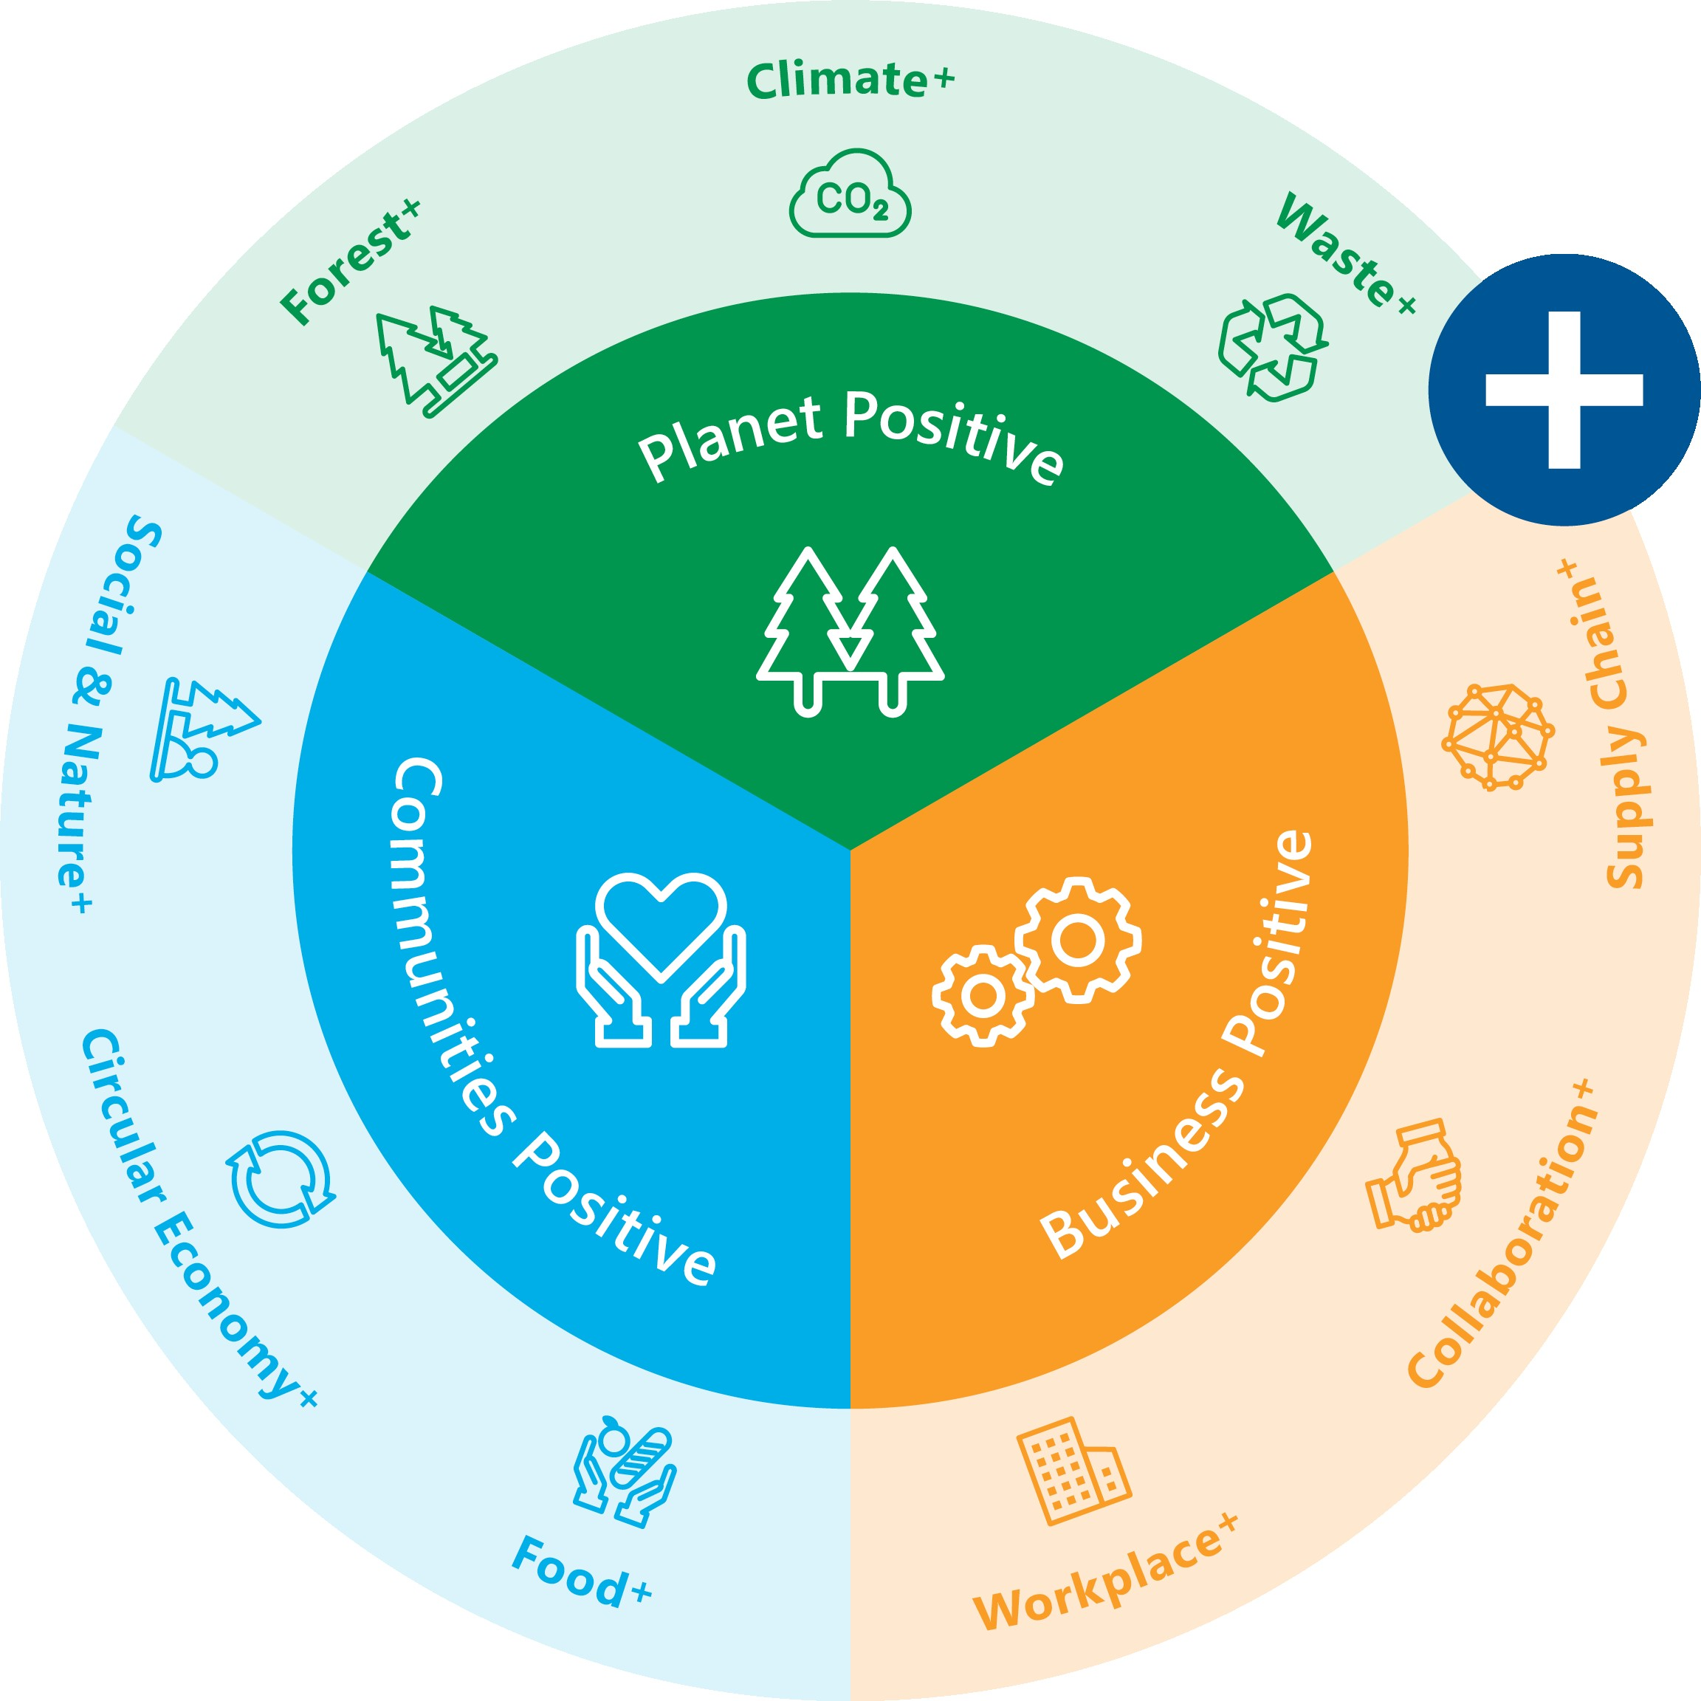
Sustainability Framework
Five-Year Performance Data

